Sheet1
 |  | Document No. | Issue No. | Issue Date |  |  | Review and Replace Date |  | Authorised By
 |  | GFF135MC | 1 | 29.10.2018 |  |  | New Issue |  | Magda Shah
 |  | Document Title | 8 VEGETABLE GYOZA 160g
Document amendments reason for change |  | New document created |  |  | Page 1 of 1 |  | Previous Issue Date | New Issue | Uncontrolled copy unless signed original

CVGYOC-R1TEB | BOOTHS - XMAS |  | 8 VEGETABLE GYOZA 160g
STEP 1 |  |  |  |  |  | STEP 2
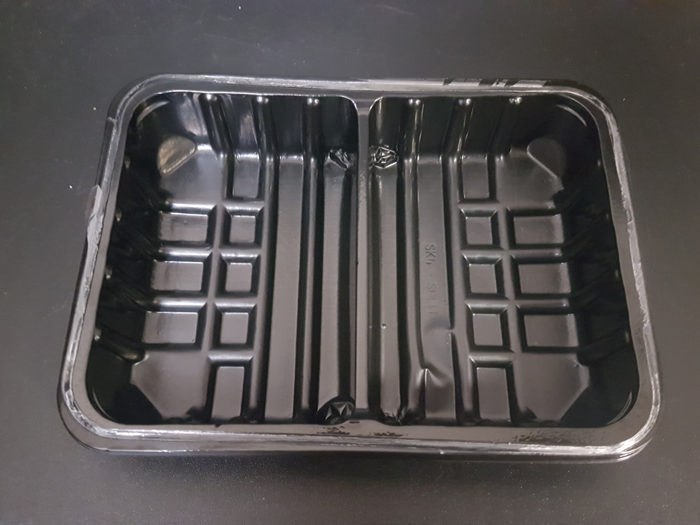 |  |  |  |  |  | 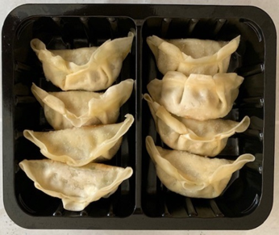

DEFROST DAY + 14 DAYS

Tray: SK4 SPLIT (PKWAS001-234) |  |  |  |  |  | 8 x Vegatable Gyoza 20g (RMJAP001-02) |  |  | Total Weight: 160g
Film: ME410A Antifog WELD seal (PKPRO001-12) (PROMENS)
ALLERGY ALERT: WHEAT, SESAME, SOYA, SULPHITE

